Sheet1
إدراة المزودين والعينات
SourceShipSell.com Supplier & Sample Logbook
Supplier Name | Contact Person | Email | Alibaba.com Chat ID | URL | Date Sample Ordered | Date Sample Received | Sample ID | Pieces | Picture/Link | Sample Quality | Communication With Supplier | Overall Supplier Rating | Notes
Shenzhen Jianbao Mould & Plastic Co., Ltd. | Suri Sun | Surisun@Jianbao.com | cn1522524482ruwr |  | 2018-04-05 | 2018-04-15 | DGR-1 | 5 | 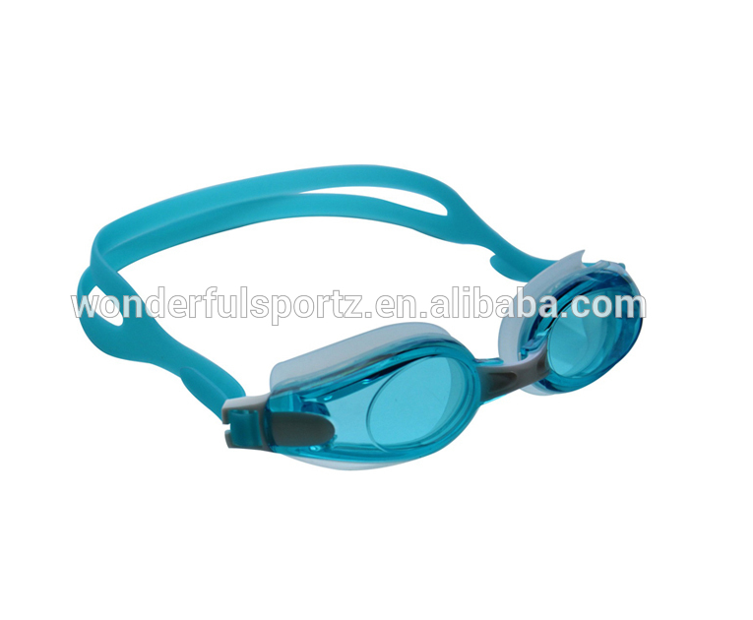 | Very Good | Good | Good | Requested 10 samples and only received 5...
Yongkang Todo Hardware Manufacture Co., Ltd. | Erick Chow | Erick@YongKang.com | Ercn152252ruttoo |  | 2018-03-10 | 2018-03-21 | PU-1 | 10 | 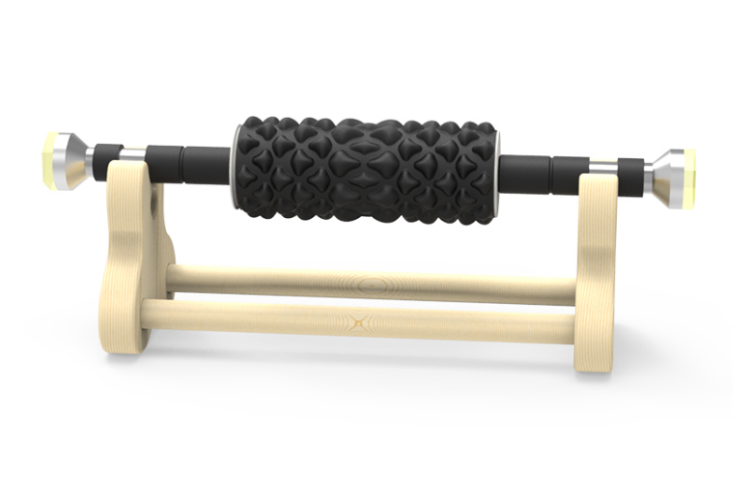 | Excellent | Average | Good | Supplier sometimes slow to respond and its best to ask one question at a time.
Shenzhen Usky Technology Co., Ltd. | Cherry Kline | Cherry@UskyTech.com | cn15266777ad |  | 2018-08-01 | 2018-08-15 | FD-1 | 10 | 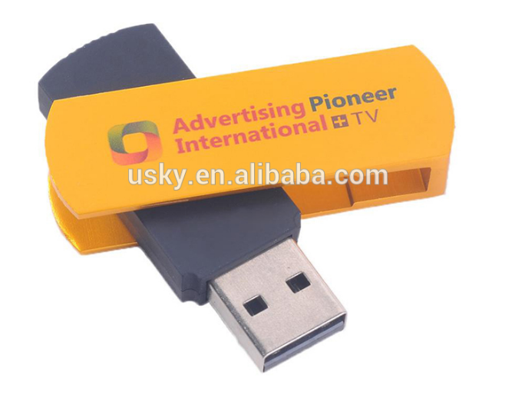 | Poor | Average | Poor | Poor product, poor communication, best avoided.

